Vessel dimensions - DIN 28011
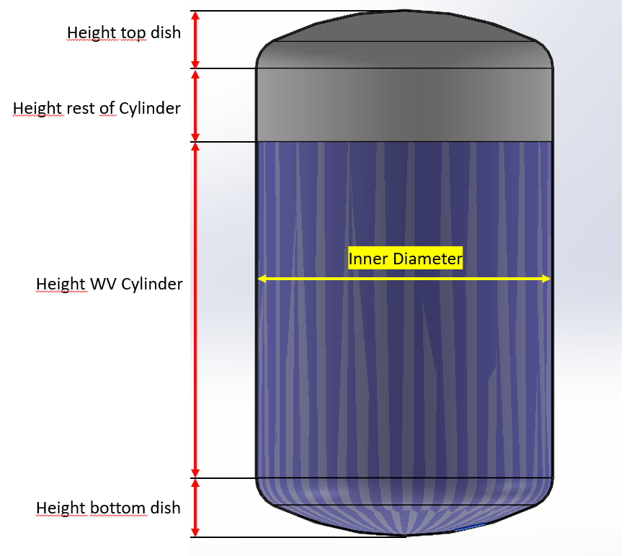
Torispherical (Kloepper Boden - DIN 28011) |  |  |  |  |  |  |  |  |  |  |  |  |  | Size | MHø/2 | TPø/2 | FSø/2 | TP to top of FS (FS2) | Top of MH | Last drop
Dimensions water volume |  |  |  |  |  |  |  |  |  |  |  |  |  | ZG1 | 35 | 27.5 | 9 | 61.3 | 90 | 16.4
Dish Type | Torispherical acc. to DIN 28011 (SMS2634, Kloepper) |  |  |  |  |  |  |  |  |  |  |  |  | ZG2 | 48 | 27.5 | 9 | 61.8 | 90.5 | 18.9
Volume | 275 | L |  |  |  |  |  |  |  |  |  |  |  |  | 0 | 0 | 0
Inner diameter | 1000 | mm |  |  |  |  |  |  |  |  |  |  |  | ZG3 | 58.5 | 47 | 16 | 91 | 162.8 | 19.4
Inner radius | 500 | mm |  |  |  |  |  |  |  |  |  |  |  | ZG5 | 74 | 47 | 16 | 101 | 172.8 | 20.0
Wall thickness | 10 | mm |  |  |  |  |  |  |  |  |  |  |  | ZG6 | 80 | 52 | 16 | 102.5 | 174.3 | 19.6
Outer diameter | 1020 | mm |  |  |  |  |  |  |  |  |  |  |  | ZG7 | 88.5 | 64.75 | 16 | 106 | 177.8 | 18.9
Crown Radius (CR) | 1020 |  |  |  |  |  |  |  |  |  |  |  |  | ZG8 | 118 | 79.75 | 20 | 107.6 | 199.5 | 19.1
Knuckle Radius (KR) | 102 |  |  |  |  |  |  |  |  |  |  |  |  | ZG9 | 150 | 99.75 | 20 | 119.6 | 211.1 | 19.1
Center to KR (L) | 442.2 |  |  |  |  |  |  |  |  |  |  |  |  | ZG10 | 175 | 114.75 | 20 | 125.5 | 217 | 18.6
 |  |  |  |  |  |  |  |  |  |  |  |  |  | ZG11 | 200 | 124.75 | 0
Tankplate distance from center | 133 mm - 222 mm |  |  |  |  |  |  |  |  |  |  |  |  | ZG12 | 225 | 124.75 | 0
Tankplate distance from center (imperial) | 5,3 in - 8,8 in |  |  |  |  |  |  |  |  |  |  |  |  | HS2 | 33 | 40 | 9 | 89.8 | 138.2 | 42
Volume bottom dish (VD) | 99 | L |  |  |  |  |  |  |  |  |  |  |  | HS5 | 52.5 | 57 | 16 | 131.5 | 211.3 | 47
Height bottom dish (DH) | 192.8 | mm |  |  |  |  |  |  |  |  |  |  |  | HS8 | 69.5 | 80 | 20 | 169 | 260 | 58
Volume Cylinder | 176.0 | L |  |  |  |  |  |  |  |  |  |  |  | HP2 | 33 | 27.5 | 9 | 61.6 | 108.8 | 34.1
Height WV cylinder | 222.8 | mm |  |  |  |  |  |  |  |  |  |  |  | HP5 | 51.5 | 47 | 16 | 100.4 | 180.2 | 47.4
Ratio | 0.4 |  |  |  |  |  |  |  |  |  |  |  |  | HP8 | 68 | 79.75 | 20 | 137 | 228.8 | 78
 |  |  |  |  |  |  |  |  |  |  |  |  |  | ZGP2 | 48 | 27.5 | 9
 |  |  |  |  |  |  |  |  |  |  |  |  |  | ZGP5 | 75 | 47 | 16 | 101 | 179 | 20
Dimensions up to top of cylinder (Maximum Volume) |  |  | Mixer parameters | Min min | Max min |  |  |  |  |  |  |  |  | ZGP7 | 88.5 | 64.75 | 16 | 105 | 187 | 20
Volume rest of cyl | -275 | L | Mixers | ZG5 | ZG5 | ZGP5 | ZGP5 | HP5 | HP5 | HS5 | HS5 | ZF160 | ZF160 | ZGP8 | 118 | 79.75 | 20 | 109 | 201 | 21.38
Inner diameter | 1000 | mm | TPø/2 [mm] | 47 | 47 | 47 | 47 | 47 | 47 | 57 | 57 | 84 | 84 | ZF100 | 70 | 54.75 | 36.75 | 55 | 66.5 | 31.1
Wall thickness | 10 | mm | Female Sleeve Radius (FSø/2) [mm] | 16 | 16 | 16 | 16 | 16 | 16 | 16 | 16 | 61 | 61 | ZF160 | 110 | 84 | 61 | 71.5 | 169.5 | 41.5
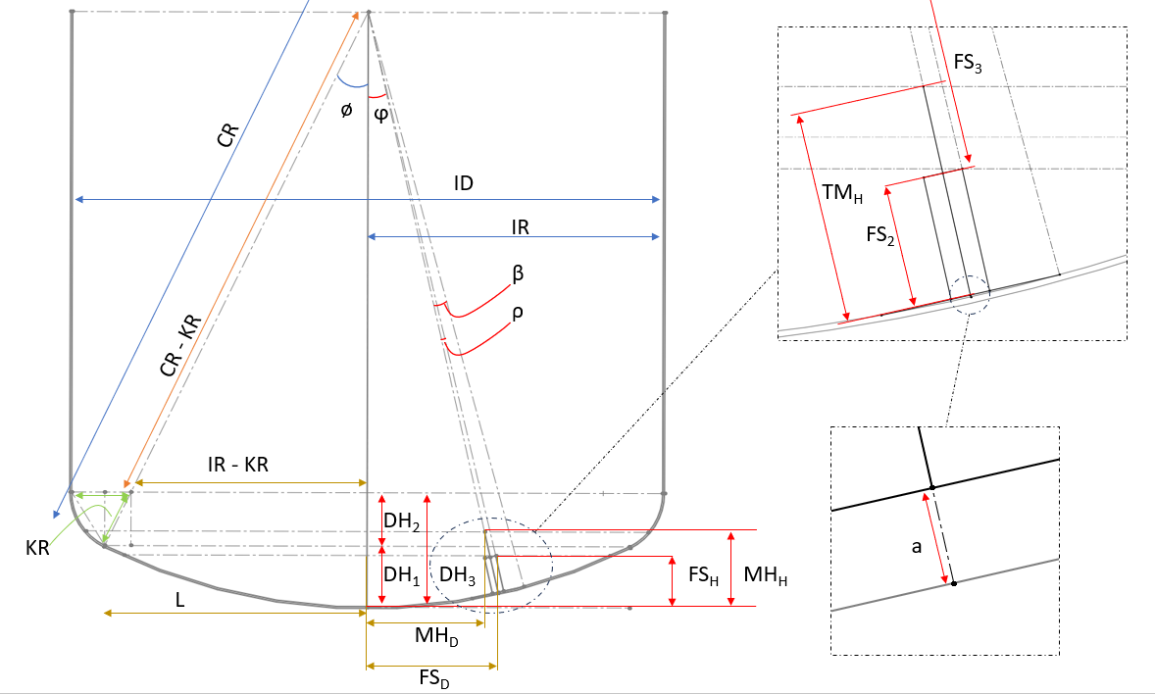
 |  |  | Female Sleeve Height (FS2) [mm] | 101 | 101 | 101 | 101 | 100.37 | 100.37 | 131.5 | 131.5 | 71.5 | 71.5
Height top dish | 192.8 | mm | Top of MH (TMH) [mm] | 172.8 | 172.8 | 179 | 179 | 180.17 | 180.17 | 211.3 | 211.3 | 169.5 | 169.5
Height rest of cylinder | -350.1 | mm | Last Drop height [mm] | 19.96 | 19.96 | 20 | 20 | 47.4 | 47.4 | 47 | 47 | 41.5 | 41.5
Complete vessel height | 258.3 | mm | MH/2 [mm] | 74 | 74 | 75 | 75 | 51.5 | 51.5 | 52.5 | 52.5 | 110 | 110

 |  |  | Min vol & Last drop | ZG5 | ZG5 | ZGP5 | ZGP5 | HP5 | HP5 | HS5 | HS5 | ZF160 | ZF160
Vessel Weight |  |  | DH1 | 100.8 | 100.8 | 100.8 | 100.8 | 100.8 | 100.8 | 100.8 | 100.8 | 100.8 | 100.8
Tot Vessel inner Weight | 791.9 | kg | ϕ [deg] | 7.47 | 12.52 | 7.47 | 12.52 | 7.47 | 12.52 | 7.47 | 12.52 | 7.47 | 12.52
Vessel outer Weight | 945.8 | kg | β [deg] | 2.64 | 2.64 | 2.64 | 2.64 | 2.64 | 2.64 | 3.20 | 3.20 | 4.72 | 4.72
Estimated empty vessel weight | 160.0 | kg | a [mm] | 1.08 | 1.08 | 1.08 | 1.08 | 1.08 | 1.08 | 1.59 | 1.59 | 3.46 | 3.46
 |  |  | ρ (min vol) [deg] | 0.999 | 0.999 | 0.999 | 0.999 | 0.998 | 0.998 | 1.034 | 1.034 | 3.693 | 3.693
 |  |  | ρ (last drop) [deg] | 4.237 | 4.237 | 4.294 | 4.294 | 3.034 | 3.034 | 3.094 | 3.094 | 6.437 | 6.437
 |  |  | ρ (min vol ATEX) [deg]
ID | 1000.0 |  | FS3 (min vol) [mm] | 918.06 | 918.06 | 918.06 | 918.06 | 918.69 | 918.69 | 887.05 | 887.05 | 947.00 | 947.00
 |  |  | FS3 (last drop) [mm] | 1001.69 | 1001.69 | 1001.73 | 1001.73 | 972.88 | 972.88 | 972.82 | 972.82 | 981.22 | 981.22
 |  |  | MH3 (min vol ATEX) [mm] | 846.12 | 846.12 | 839.92 | 839.92 | 838.75 | 838.75 | 807.11 | 807.11 | 847.04 | 847.04
 |  |  | FSD (min vol) [mm] | 135.25 | 214.60 | 135.25 | 214.60 | 135.34 | 214.74 | 131.22 | 207.88 | 183.40 | 264.41
 |  |  | FSD (last drop) [mm] | 203.30 | 288.79 | 204.29 | 289.76 | 177.42 | 260.88 | 178.40 | 261.83 | 235.88 | 318.75
 |  |  | MHD (min vol ATEX) [mm] | 110.05 | 183.42 | 109.24 | 182.07 | 109.09 | 181.82 | 104.98 | 174.96 | 110.17 | 183.62
 |  |  | FSH (min vol) [mm] | 111.96 | 127.38 | 111.96 | 127.38 | 111.34 | 126.76 | 142.71 | 157.65 | 90.93 | 110.66
 |  |  | FSH (last drop) [mm] | 39.15 | 60.84 | 39.32 | 61.09 | 63.43 | 82.75 | 63.67 | 83.07 | 67.55 | 91.99
 |  |  | MHH (min vol ATEX) [mm] | 181.07 | 194.00 | 187.22 | 200.06 | 188.38 | 201.20 | 219.75 | 232.09 | 180.16 | 193.11
 |  |  | Minimum Continous working volume [L] | 38.75 | 49.68 | 38.75 | 49.68 | 38.32 | 49.23 | 61.13 | 72.56 | 25.71 | 37.87
 |  |  | Last Drop mixing volume during drain [L] | 4.85 | 11.62 | 4.89 | 11.72 | 12.63 | 21.35 | 12.72 | 21.51 | 14.30 | 26.30
 |  |  | Minimum Continous working volume ATEX [L] | 90.48 | 99.91 | 95.10 | 104.67 | 95.97 | 105.56 | 120.13 | 129.82 | 89.79 | 99.21

ZG
Mixing Intensity | 0.8 |  | 0.8 |  | 0.8 |  | 0.8 |  | 0.8 |  | 0.8 |  | 0.8 |  | 0.8 |  | 0.8 |  | 0.8 |  | 0.8
Mix Volume | 10 |  | 50 |  | 250 |  | 850 |  | 1200 |  | 2000 |  | 5000 |  | 10000 |  | 20000 |  | 20000 |  | 20000
 | Volume | Viscosity | Volume | Viscosity | Volume | Viscosity | Volume | Viscosity | Volume | Viscosity | Volume | Viscosity | Volume | Viscosity | Volume | Viscosity | Volume | Viscosity | Volume | Viscosity | Volume | Viscosity
 | ZG1 | ZG1 | ZG2 | ZG2 | ZG3 | ZG3 | ZG5 | ZG5 | ZG6 | ZG6 | ZG7 | ZG7 | ZG8 | ZG8 | ZG9 | ZG9 | ZG10 | ZG10
 | 8 | 1 | 40 | 1 | 200 | 1 | 680 | 1 | 960 | 1 | 1600 | 1 | 4000 | 1 | 8000 | 1 | 16000 | 1 | 30000 | 1 | 50000 | 1
 | 7 | 5 | 36 | 5 | 182 | 5 | 619 | 5 | 874 | 5 | 1456 | 5 | 3640 | 5 | 7280 | 5 | 14560 | 5
 | 7 | 10 | 33 | 10 | 166 | 10 | 564 | 10 | 797 | 10 | 1328 | 10 | 3320 | 10 | 6640 | 10 | 13280 | 10
 | 6 | 15 | 31 | 15 | 154 | 15 | 524 | 15 | 739 | 15 | 1232 | 15 | 3080 | 15 | 6160 | 15 | 12320 | 15
 | 6 | 20 | 29 | 20 | 144 | 20 | 490 | 20 | 691 | 20 | 1152 | 20 | 2880 | 20 | 5760 | 20 | 11520 | 20
 | 5 | 25 | 27 | 25 | 136 | 25 | 462 | 25 | 653 | 25 | 1088 | 25 | 2720 | 25 | 5440 | 25 | 10880 | 25
 | 5 | 30 | 26 | 30 | 131 | 30 | 445 | 30 | 629 | 30 | 1048 | 30 | 2620 | 30 | 5240 | 30 | 10480 | 30
 | 5 | 35 | 25 | 35 | 126 | 35 | 428 | 35 | 605 | 35 | 1008 | 35 | 2520 | 35 | 5040 | 35 | 10080 | 35
 | 5 | 40 | 25 | 40 | 123 | 40 | 418 | 40 | 590 | 40 | 984 | 40 | 2460 | 40 | 4920 | 40 | 9840 | 40
 | 5 | 45 | 24 | 45 | 120 | 45 | 408 | 45 | 576 | 45 | 960 | 45 | 2400 | 45 | 4800 | 45 | 9600 | 45
 | 5 | 50 | 23 | 50 | 117 | 50 | 398 | 50 | 563 | 50 | 938 | 50 | 2344 | 50 | 4688 | 50 | 9376 | 50
 | 5 | 55 | 23 | 55 | 114 | 55 | 388 | 55 | 547 | 55 | 912 | 55 | 2280 | 55 | 4560 | 55 | 9120 | 55
 | 4 | 60 | 22 | 60 | 112 | 60 | 381 | 60 | 538 | 60 | 896 | 60 | 2240 | 60 | 4480 | 60 | 8960 | 60
 | 4 | 65 | 22 | 65 | 110 | 65 | 374 | 65 | 528 | 65 | 880 | 65 | 2200 | 65 | 4400 | 65 | 8800 | 65
 | 4 | 70 | 22 | 70 | 108 | 70 | 367 | 70 | 518 | 70 | 864 | 70 | 2160 | 70 | 4320 | 70 | 8640 | 70
 | 4 | 75 | 21 | 75 | 106 | 75 | 360 | 75 | 509 | 75 | 848 | 75 | 2120 | 75 | 4240 | 75 | 8480 | 75
 | 4 | 80 | 21 | 80 | 104 | 80 | 354 | 80 | 499 | 80 | 832 | 80 | 2080 | 80 | 4160 | 80 | 8320 | 80
 | 4 | 85 | 20 | 85 | 102 | 85 | 347 | 85 | 490 | 85 | 816 | 85 | 2040 | 85 | 4080 | 85 | 8160 | 85
 | 4 | 90 | 20 | 90 | 100 | 90 | 340 | 90 | 480 | 90 | 800 | 90 | 2000 | 90 | 4000 | 90 | 8000 | 90
 | 4 | 95 | 20 | 95 | 98 | 95 | 333 | 95 | 470 | 95 | 784 | 95 | 1960 | 95 | 3920 | 95 | 7840 | 95
 | 4 | 100 | 19 | 100 | 97 | 100 | 330 | 100 | 466 | 100 | 776 | 100 | 1940 | 100 | 3880 | 100 | 7760 | 100
 | 3 | 150 | 17 | 150 | 86 | 150 | 292 | 150 | 413 | 150 | 688 | 150 | 1720 | 150 | 3440 | 150 | 6880 | 150
 | 3 | 200 | 16 | 200 | 78 | 200 | 265 | 200 | 374 | 200 | 624 | 200 | 1560 | 200 | 3120 | 200 | 6240 | 200
 | 3 | 250 | 14 | 250 | 71 | 250 | 241 | 250 | 341 | 250 | 568 | 250 | 1420 | 250 | 2840 | 250 | 5680 | 250
 | 3 | 300 | 13 | 300 | 64 | 300 | 218 | 300 | 307 | 300 | 512 | 300 | 1280 | 300 | 2560 | 300 | 5120 | 300
 | 2 | 350 | 12 | 350 | 58 | 350 | 197 | 350 | 278 | 350 | 464 | 350 | 1160 | 350 | 2320 | 350 | 4640 | 350
 | 2 | 400 | 10 | 400 | 52 | 400 | 177 | 400 | 250 | 400 | 416 | 400 | 1040 | 400 | 2080 | 400 | 4160 | 400
 | 2 | 450 | 9 | 450 | 47 | 450 | 160 | 450 | 226 | 450 | 376 | 450 | 940 | 450 | 1880 | 450 | 3760 | 450
 | 2 | 500 | 8 | 500 | 42 | 500 | 143 | 500 | 202 | 500 | 336 | 500 | 840 | 500 | 1680 | 500 | 3360 | 500
 | 2 | 550 | 8 | 550 | 38 | 550 | 129 | 550 | 182 | 550 | 304 | 550 | 760 | 550 | 1520 | 550 | 3040 | 550
 | 1 | 600 | 7 | 600 | 34 | 600 | 116 | 600 | 163 | 600 | 272 | 600 | 680 | 600 | 1360 | 600 | 2720 | 600
 | 1 | 650 | 6 | 650 | 30 | 650 | 102 | 650 | 144 | 650 | 240 | 650 | 600 | 650 | 1200 | 650 | 2400 | 650
 | 1 | 700 | 5 | 700 | 26 | 700 | 90 | 700 | 127 | 700 | 211 | 700 | 528 | 700 | 1056 | 700 | 2112 | 700
 | 1 | 750 | 5 | 750 | 23 | 750 | 78 | 750 | 110 | 750 | 184 | 750 | 460 | 750 | 920 | 750 | 1840 | 750
 | 1 | 800 | 4 | 800 | 20 | 800 | 68 | 800 | 96 | 800 | 160 | 800 | 400 | 800 | 800 | 800 | 1600 | 800
Max vol at current cP | 8 |  | 40 |  | 200 |  | 680 |  | 960 |  | 1600 |  | 4000 |  | 8000 |  | 16000 |  | 30000 |  | 50000

Recommended Mixer | ZG5 |  | Kod för implementering av ZG11 och ZG12 | ZG5 | ZG5
Alternative choice | 0

 | Storlek | N [rpm] | D [Mixer YD mm] | Power Number (Np) | ρ= densitet [kg/m3 ] | Volume [l] max | P (Teoretisk) [W] | τ Vridmoment mag [Nm] | τ Vridmoment uträknat [Nm] | P/V | Tip speed [m/s] | TP Diameter [mm] | Pumping Number NQ | Female Sleeve ID
 | ZG1 | 490 | 70 | 6.685 | 1000 | 10 | 6.120 | 1 | 0.12 | 0.61 | 1.80 | 55 | 1.16 | 18 |  | 0.062427827505 |  |  |  |  | Primary & alternative |  | Metric | Unit | Imperial | Unit
Referensvärde | ZG1 | 490 | 70 | 6.685 | 1000 | 10 | 6.120 | 1 | 0.12 | 0.61 | 1.80 | 55 | 1.16 | 18 |  | 1000 |  |  |  |  |  | Max speed: | 490 | rpm | 490 | rpm
 | ZG2 | 490 | 96 | 6.685 | 1000 | 50 | 29.689 | 1 | 0.58 | 0.594 | 2.46 | 55 | 1.16 | 18 |  |  |  |  |  |  |  | Power/Volume | 0.9402 | W/L | 3.559 | W/gal | Example graph
Referensvärde | ZG2 | 490 | 96 | 6.685 | 1000 | 50 | 29.689 | 1 | 0.58 | 0.594 | 2.46 | 55 | 1.16 | 18 |  |  |  |  |  |  |  | Tip Speed | 3.80 | m/s | 747 | ft/min
 | ZG3 | 490 | 117 | 6.685 | 1000 | 250 | 79.830 | 2 | 1.56 | 0.319 | 3.00 | 94 | 1.15 | 32 |  |  |  |  |  |  |  | Max speed - Indicative blending-time 1 | 0.50 | min | 0.50
Referensvärde | ZG3 | 490 | 117 | 6.685 | 1000 | 250 | 79.830 | 2 | 1.56 | 0.319 | 3.00 | 94 | 1.15 | 32 |  |  |  |  |  |  |  | Max speed - Indicative blending-time 2 | 0.83 | min | 0.83
 | ZG5 | 490 | 148 | 6.685 | 1000 | 275 | 258.550 | 6 | 5.0 | 0.940 | 3.80 | 94 | 1.1 | 32 |  |  |  |  |  |  |  | Max speed - Indicative blending-time | 30 s - 50 s |  | 30 s - 50 s
Referensvärde | ZG5 | 490 | 148 | 6.685 | 1000 | 275 | 258.550 | 6 | 5.0 | 0.940 | 3.80 | 94 | 1.1 | 32 |  |  |  |  |  |  | Set working speed | Set Working speed: | 490 | rpm | 490 | rpm
 | ZG6 | 490 | 160 | 6.685 | 1000 | 1000 | 381.800 | 8 | 7.4 | 0.382 | 4.10 | 104 | 1 | 32 |  |  |  |  |  |  |  | Power/Volume | 0.940 | W/L | 3.5590 | W/gal
Referensvärde | ZG6 | 490 | 160 | 6.685 | 1000 | 1000 | 381.800 | 8 | 7.4 | 0.382 | 4.10 | 104 | 1 | 32 |  |  |  |  |  |  |  | Tip Speed: | 3.80 | m/s | 747 | ft/min
 | ZG7 | 490 | 177 | 6.685 | 1000 | 2000 | 632.561 | 13 | 12.3 | 0.316 | 4.54 | 129.5 | 1 | 32 |  |  |  |  |  |  |  | Set working speed - Indicative blending-time | 0,5 - 1 | min | 0,5 - 1 | min
Referensvärde | ZG7 | 490 | 177 | 6.685 | 1000 | 2000 | 632.561 | 13 | 12.3 | 0.316 | 4.54 | 129.5 | 1 | 32 |  |  |  |  |  |  |  | Reynolds Factor | 0.5
 | ZG8 | 343 | 236 | 6.685 | 1000 | 5000 | 914.303 | 26 | 25.5 | 0.183 | 4.24 | 159.5 | 1 | 40 |  |  |  |  |  |  |  | Max - Pumping capacity | 1747.325888
Referensvärde | ZG8 | 343 | 236 | 6.685 | 1000 | 5000 | 914.303 | 26 | 25.5 | 0.183 | 4.24 | 159.5 | 1 | 40 |  |  |  |  |  |  |  | set - Pumping capacity | 1747.325888
 | ZG9 | 245 | 300 | 6.685 | 1000 | 10000 | 1105.993 | 50 | 43.1 | 0.111 | 3.85 | 199.5 | 1.15 | 40 |  |  |  |  |  |  |  | T95 | 0.47215004692
Referensvärde | ZG9 | 245 | 300 | 6.685 | 1000 | 10000 | 1105.993 | 50 | 43.1 | 0.111 | 3.85 | 199.5 | 1.15 | 40 |  |  |  |  |  |  |  | T99 | 0.78691674486
 | ZG10 | 245 | 350 | 6.685 | 1000 | 20000 | 2390.486 | 100 | 93.2 | 0.120 | 4.49 | 229.5 | 1.15 | 40
Referensvärde | ZG10 | 245 | 350 | 6.685 | 1000 | 20000 | 2390.486 | 100 | 93.2 | 0.120 | 4.49 | 229.5 | 1.15 | 40 |  |  |  |  |  |  |  |  | Time (minutes)
 | ZG11 | 245 | 400 | 6.685 | 1000 | 35000 | 4660.643 |  | 181.7 | 0.133 | 5.13 | 249.5 |  |  |  |  |  |  |  |  |  | Tank Turnovers at 1cP | Max speed | Set working speed
Referensvärde | ZG11 | 245 | 400 | 6.685 | 1000 | 35000 | 4660.643 |  | 181.7 | 0.133 | 5.13 | 249.5 |  |  |  |  |  |  |  |  |  | 0 | 0.00 | 0.00
 | ZG12 | 245 | 450 | 6.685 | 1000 | 60000 | 8398.631 |  | 327.3 | 0.140 | 5.77 | 249.5 |  |  |  |  |  |  |  |  |  | 1 | 0.16 | 0.16
Referensvärde | ZG12 | 245 | 450 | 6.685 | 1000 | 60000 | 8398.631 |  | 327.3 | 0.140 | 5.77 | 249.5 |  |  |  |  |  |  |  |  |  | 2 | 0.31 | 0.31
 |  |  |  |  |  |  |  |  |  |  |  |  |  |  |  |  |  |  |  |  |  | 3 | 0.47 | 0.47
 |  |  |  |  |  |  |  |  |  |  |  |  |  |  |  |  |  |  |  |  |  | 4 | 0.63 | 0.63
 |  |  |  |  |  |  |  |  |  |  |  |  |  |  |  |  |  |  |  |  |  | 5 | 0.79 | 0.79
 |  |  |  |  |  |  |  |  |  |  |  |  |  |  |  |  |  |  |  |  |  | 6 | 0.94 | 0.94
 |  |  |  |  |  |  |  |  |  |  |  |  |  |  |  |  |  |  |  |  |  | 7 | 1.10 | 1.10
 |  |  |  |  |  |  |  |  |  |  |  |  |  |  |  |  |  |  |  |  |  | 8 | 1.26 | 1.26
 |  |  |  |  |  |  |  |  |  |  |  |  |  |  |  |  |  |  |  |  |  | 9 | 1.42 | 1.42
 |  |  |  |  |  |  |  |  |  |  |  |  |  |  |  |  |  |  |  |  |  | 10 | 1.57 | 1.57

